Sheet1
Buying Price | 0.5
Selling Price | 0.75 | a) | The optimal solution is 50
Mean | 50 | b) | Average pay off for 95% confidence intercal is 10.61
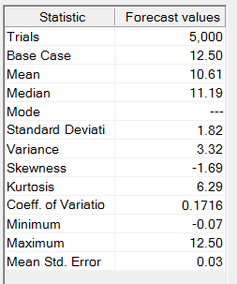
Standard Deviation | 5
unsold paper selling price | 0.05

Goodwill loss | 0.25

Order | 50
Demand | 50
Supply | 50
Surplus | 0
Demand not met | 0

Total buying cost | 25
Total Selling price | 37.5
Selling Price of unsold paper | 0
Goodwill lost | 0

Total Profit | 12.5

